FOGLIO 1
 |  |  |  |  |  |  |  |  |  | TOTALI |  |  | 1844
Foto | CodiceArticolo | Brand | Stagione | Anno | Madein | Composition | Genere | CategoriaMerceologica | DescrizioneModello | CodiceColore | Descrizione colore | Taglia | Quantità | Whs Unit | Retail unit | Whs Total | Retail Total | n° pcs scelta
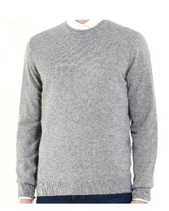 | U/O E800 FF12 | CORTINA | FW | 25 | MADE IN ITALY | 100% CASHMERE | UOMO | PULL | PULL GIROCOLLO | E800 | GRIGIO PERLA | S | 36 | € 120.00 | € 300.00 | € 4,320.00 | € 10,800.00
 | U/O E800 FF12 | CORTINA | FW | 25 | MADE IN ITALY | 100% CASHMERE | UOMO | PULL | PULL GIROCOLLO | E800 | GRIGIO PERLA | M | 8 | € 120.00 | € 300.00 | € 960.00 | € 2,400.00
 | U/O E800 FF12 | CORTINA | FW | 25 | MADE IN ITALY | 100% CASHMERE | UOMO | PULL | PULL GIROCOLLO | E800 | GRIGIO PERLA | XL | 18 | € 120.00 | € 300.00 | € 2,160.00 | € 5,400.00
 | U/O E800 FF12 | CORTINA | FW | 25 | MADE IN ITALY | 100% CASHMERE | UOMO | PULL | PULL GIROCOLLO | E800 | GRIGIO PERLA | XXL | 9 | € 120.00 | € 300.00 | € 1,080.00 | € 2,700.00
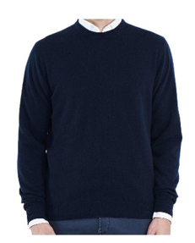 | U/O E500 FF12 | CORTINA | FW | 25 | MADE IN ITALY | 100% CASHMERE | UOMO | PULL | PULL GIROCOLLO | E500 | BLU NAVY | S | 36 | € 120.00 | € 300.00 | € 4,320.00 | € 10,800.00
 | U/O E500 FF12 | CORTINA | FW | 25 | MADE IN ITALY | 100% CASHMERE | UOMO | PULL | PULL GIROCOLLO | E500 | BLU NAVY | M | 14 | € 120.00 | € 300.00 | € 1,680.00 | € 4,200.00
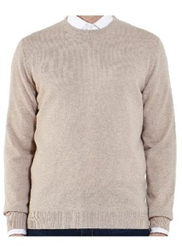 | U/O E700 FF12 | CORTINA | FW | 25 | MADE IN ITALY | 100% CASHMERE | UOMO | PULL | PULL GIROCOLLO | E700 | BEIGE | S | 47 | € 120.00 | € 300.00 | € 5,640.00 | € 14,100.00
 | U/O E700 FF12 | CORTINA | FW | 25 | MADE IN ITALY | 100% CASHMERE | UOMO | PULL | PULL GIROCOLLO | E700 | BEIGE | M | 87 | € 120.00 | € 300.00 | € 10,440.00 | € 26,100.00
 | U/O E700 FF12 | CORTINA | FW | 25 | MADE IN ITALY | 100% CASHMERE | UOMO | PULL | PULL GIROCOLLO | E700 | BEIGE | L | 66 | € 120.00 | € 300.00 | € 7,920.00 | € 19,800.00
 | U/O E700 FF12 | CORTINA | FW | 25 | MADE IN ITALY | 100% CASHMERE | UOMO | PULL | PULL GIROCOLLO | E700 | BEIGE | XL | 121 | € 120.00 | € 300.00 | € 14,520.00 | € 36,300.00
 | U/O E700 FF12 | CORTINA | FW | 25 | MADE IN ITALY | 100% CASHMERE | UOMO | PULL | PULL GIROCOLLO | E700 | BEIGE | XXL | 17 | € 120.00 | € 300.00 | € 2,040.00 | € 5,100.00
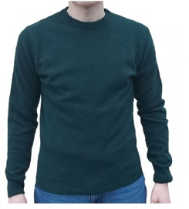 | U/O E190 FF12 | CORTINA | FW | 25 | MADE IN ITALY | 100% CASHMERE | UOMO | PULL | PULL GIROCOLLO | E190 | VERDE BOTTIGLIA | S | 30 | € 120.00 | € 300.00 | € 3,600.00 | € 9,000.00
 | U/O E190 FF12 | CORTINA | FW | 25 | MADE IN ITALY | 100% CASHMERE | UOMO | PULL | PULL GIROCOLLO | E190 | VERDE BOTTIGLIA | M | 27 | € 120.00 | € 300.00 | € 3,240.00 | € 8,100.00
 | U/O E190 FF12 | CORTINA | FW | 25 | MADE IN ITALY | 100% CASHMERE | UOMO | PULL | PULL GIROCOLLO | E190 | VERDE BOTTIGLIA | L | 16 | € 120.00 | € 300.00 | € 1,920.00 | € 4,800.00
 | U/O E190 FF12 | CORTINA | FW | 25 | MADE IN ITALY | 100% CASHMERE | UOMO | PULL | PULL GIROCOLLO | E190 | VERDE BOTTIGLIA | XL | 24 | € 120.00 | € 300.00 | € 2,880.00 | € 7,200.00
 | U/O E190 FF12 | CORTINA | FW | 25 | MADE IN ITALY | 100% CASHMERE | UOMO | PULL | PULL GIROCOLLO | E190 | VERDE BOTTIGLIA | XXL | 9 | € 120.00 | € 300.00 | € 1,080.00 | € 2,700.00
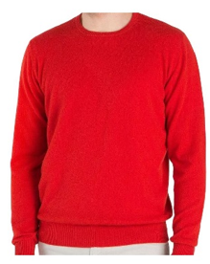 | U/O E200 FF12 | CORTINA | FW | 25 | MADE IN ITALY | 100% CASHMERE | UOMO | PULL | PULL GIROCOLLO | E200 | ROSSA | S | 24 | € 120.00 | € 300.00 | € 2,880.00 | € 7,200.00
 | U/O E200 FF12 | CORTINA | FW | 25 | MADE IN ITALY | 100% CASHMERE | UOMO | PULL | PULL GIROCOLLO | E200 | ROSSA | M | 39 | € 120.00 | € 300.00 | € 4,680.00 | € 11,700.00
 | U/O E200 FF12 | CORTINA | FW | 25 | MADE IN ITALY | 100% CASHMERE | UOMO | PULL | PULL GIROCOLLO | E200 | ROSSA | L | 66 | € 120.00 | € 300.00 | € 7,920.00 | € 19,800.00
 | U/O E200 FF12 | CORTINA | FW | 25 | MADE IN ITALY | 100% CASHMERE | UOMO | PULL | PULL GIROCOLLO | E200 | ROSSA | XL | 74 | € 120.00 | € 300.00 | € 8,880.00 | € 22,200.00
 | U/O E200 FF12 | CORTINA | FW | 25 | MADE IN ITALY | 100% CASHMERE | UOMO | PULL | PULL GIROCOLLO | E200 | ROSSA | XXL | 37 | € 120.00 | € 300.00 | € 4,440.00 | € 11,100.00
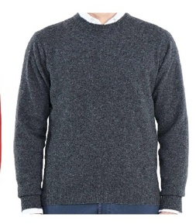 | U/O E820 FF12 | CORTINA | FW | 25 | MADE IN ITALY | 100% CASHMERE | UOMO | PULL | PULL GIROCOLLO | E820 | GRIGIO MEDIO | S | 39 | € 120.00 | € 300.00 | € 4,680.00 | € 11,700.00
 | U/O E820 FF12 | CORTINA | FW | 25 | MADE IN ITALY | 100% CASHMERE | UOMO | PULL | PULL GIROCOLLO | E820 | GRIGIO MEDIO | M | 34 | € 120.00 | € 300.00 | € 4,080.00 | € 10,200.00
 | U/O E820 FF12 | CORTINA | FW | 25 | MADE IN ITALY | 100% CASHMERE | UOMO | PULL | PULL GIROCOLLO | E820 | GRIGIO MEDIO | L | 33 | € 120.00 | € 300.00 | € 3,960.00 | € 9,900.00
 | U/O E820 FF12 | CORTINA | FW | 25 | MADE IN ITALY | 100% CASHMERE | UOMO | PULL | PULL GIROCOLLO | E820 | GRIGIO MEDIO | XL | 51 | € 120.00 | € 300.00 | € 6,120.00 | € 15,300.00
 | U/O E820 FF12 | CORTINA | FW | 25 | MADE IN ITALY | 100% CASHMERE | UOMO | PULL | PULL GIROCOLLO | E820 | GRIGIO MEDIO | XXL | 11 | € 120.00 | € 300.00 | € 1,320.00 | € 3,300.00
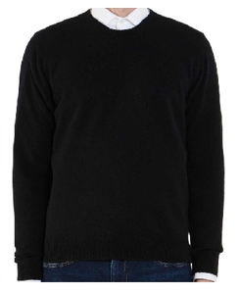 | U/O E900 FF12 | CORTINA | FW | 25 | MADE IN ITALY | 100% CASHMERE | UOMO | PULL | PULL GIROCOLLO | E900 | NERO | S | 36 | € 120.00 | € 300.00 | € 4,320.00 | € 10,800.00
 | U/O E900 FF12 | CORTINA | FW | 25 | MADE IN ITALY | 100% CASHMERE | UOMO | PULL | PULL GIROCOLLO | E901 | NERO | M | 82 | € 120.00 | € 300.00 | € 9,840.00 | € 24,600.00
 | U/O E900 FF12 | CORTINA | FW | 25 | MADE IN ITALY | 100% CASHMERE | UOMO | PULL | PULL GIROCOLLO | E902 | NERO | L | 61 | € 120.00 | € 300.00 | € 7,320.00 | € 18,300.00
 | U/O E900 FF12 | CORTINA | FW | 25 | MADE IN ITALY | 100% CASHMERE | UOMO | PULL | PULL GIROCOLLO | E903 | NERO | XL | 27 | € 120.00 | € 300.00 | € 3,240.00 | € 8,100.00
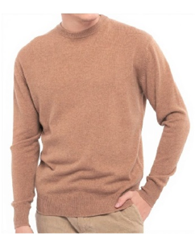 | U/O E770 FF12 | CORTINA | FW | 25 | MADE IN ITALY | 100% CASHMERE | UOMO | PULL | PULL GIROCOLLO | E770 | CAMMELLO | S | 40 | € 120.00 | € 300.00 | € 4,800.00 | € 12,000.00
 | U/O E770 FF12 | CORTINA | FW | 25 | MADE IN ITALY | 100% CASHMERE | UOMO | PULL | PULL GIROCOLLO | E770 | CAMMELLO | M | 40 | € 120.00 | € 300.00 | € 4,800.00 | € 12,000.00
 | U/O E770 FF12 | CORTINA | FW | 25 | MADE IN ITALY | 100% CASHMERE | UOMO | PULL | PULL GIROCOLLO | E770 | CAMMELLO | L | 45 | € 120.00 | € 300.00 | € 5,400.00 | € 13,500.00
 | U/O E770 FF12 | CORTINA | FW | 25 | MADE IN ITALY | 100% CASHMERE | UOMO | PULL | PULL GIROCOLLO | E770 | CAMMELLO | XL | 50 | € 120.00 | € 300.00 | € 6,000.00 | € 15,000.00
 | U/O E770 FF12 | CORTINA | FW | 25 | MADE IN ITALY | 100% CASHMERE | UOMO | PULL | PULL GIROCOLLO | E770 | CAMMELLO | XXL | 18 | € 120.00 | € 300.00 | € 2,160.00 | € 5,400.00
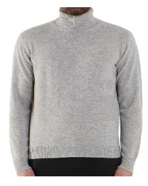 | U/A E800 FF12 | CORTINA | FW | 25 | MADE IN ITALY | 100% CASHMERE | UOMO | PULL | PULL DOLCEVITA | E800 | GRIGIO PERLA | S | 32 | € 132.00 | € 330.00 | € 4,224.00 | € 10,560.00
 | U/A E800 FF12 | CORTINA | FW | 25 | MADE IN ITALY | 100% CASHMERE | UOMO | PULL | PULL DOLCEVITA | E800 | GRIGIO PERLA | M | 41 | € 132.00 | € 330.00 | € 5,412.00 | € 13,530.00
 | U/A E800 FF12 | CORTINA | FW | 25 | MADE IN ITALY | 100% CASHMERE | UOMO | PULL | PULL DOLCEVITA | E800 | GRIGIO PERLA | L | 15 | € 132.00 | € 330.00 | € 1,980.00 | € 4,950.00
 | U/A E800 FF12 | CORTINA | FW | 25 | MADE IN ITALY | 100% CASHMERE | UOMO | PULL | PULL DOLCEVITA | E800 | GRIGIO PERLA | XL | 17 | € 132.00 | € 330.00 | € 2,244.00 | € 5,610.00
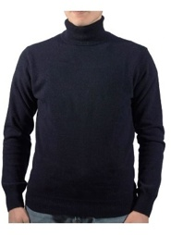 | U/A E500 FF12 | CORTINA | FW | 25 | MADE IN ITALY | 100% CASHMERE | UOMO | PULL | PULL DOLCEVITA | E500 | BLU NAVY | S | 6 | € 132.00 | € 330.00 | € 792.00 | € 1,980.00
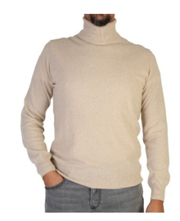 | U/A E700 FF12 | CORTINA | FW | 25 | MADE IN ITALY | 100% CASHMERE | UOMO | PULL | PULL DOLCEVITA | E501 | BEIGE | S | 36 | € 132.00 | € 330.00 | € 4,752.00 | € 11,880.00
 | U/A E700 FF12 | CORTINA | FW | 25 | MADE IN ITALY | 100% CASHMERE | UOMO | PULL | PULL DOLCEVITA | E501 | BEIGE | M | 35 | € 132.00 | € 330.00 | € 4,620.00 | € 11,550.00
 | U/A E700 FF12 | CORTINA | FW | 25 | MADE IN ITALY | 100% CASHMERE | UOMO | PULL | PULL DOLCEVITA | E501 | BEIGE | L | 13 | € 132.00 | € 330.00 | € 1,716.00 | € 4,290.00
 | U/A E700 FF12 | CORTINA | FW | 25 | MADE IN ITALY | 100% CASHMERE | UOMO | PULL | PULL DOLCEVITA | E501 | BEIGE | XL | 18 | € 132.00 | € 330.00 | € 2,376.00 | € 5,940.00
 | U/A E700 FF12 | CORTINA | FW | 25 | MADE IN ITALY | 100% CASHMERE | UOMO | PULL | PULL DOLCEVITA | E501 | BEIGE | XXL | 18 | € 132.00 | € 330.00 | € 2,376.00 | € 5,940.00
 | U/A E190 FF12 | CORTINA | FW | 25 | MADE IN ITALY | 100% CASHMERE | UOMO | PULL | PULL DOLCEVITA | E190 | VERDE BOTTIGLIA | S | 2 | € 132.00 | € 330.00 | € 264.00 | € 660.00
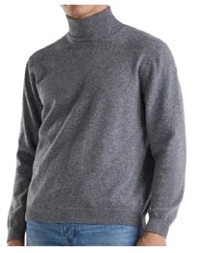 | U/A E820 FF12 | CORTINA | FW | 25 | MADE IN ITALY | 100% CASHMERE | UOMO | PULL | PULL DOLCEVITA | E820 | GRIGIO MEDIO | S | 16 | € 132.00 | € 330.00 | € 2,112.00 | € 5,280.00
 | U/A E820 FF12 | CORTINA | FW | 25 | MADE IN ITALY | 100% CASHMERE | UOMO | PULL | PULL DOLCEVITA | E820 | GRIGIO MEDIO | M | 22 | € 132.00 | € 330.00 | € 2,904.00 | € 7,260.00
 | U/A E820 FF12 | CORTINA | FW | 25 | MADE IN ITALY | 100% CASHMERE | UOMO | PULL | PULL DOLCEVITA | E820 | GRIGIO MEDIO | L | 16 | € 132.00 | € 330.00 | € 2,112.00 | € 5,280.00
 | U/A E820 FF12 | CORTINA | FW | 25 | MADE IN ITALY | 100% CASHMERE | UOMO | PULL | PULL DOLCEVITA | E820 | GRIGIO MEDIO | XL | 2 | € 132.00 | € 330.00 | € 264.00 | € 660.00
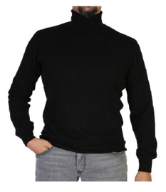 | U/A E900 FF12 | CORTINA | FW | 25 | MADE IN ITALY | 100% CASHMERE | UOMO | PULL | PULL DOLCEVITA | E900 | NERO | S | 6 | € 132.00 | € 330.00 | € 792.00 | € 1,980.00
 | U/A E900 FF12 | CORTINA | FW | 25 | MADE IN ITALY | 100% CASHMERE | UOMO | PULL | PULL DOLCEVITA | E900 | NERO | M | 17 | € 132.00 | € 330.00 | € 2,244.00 | € 5,610.00
 | U/A E770 FF12 | CORTINA | FW | 25 | MADE IN ITALY | 100% CASHMERE | UOMO | PULL | PULL DOLCEVITA | E700 | CAMMELLO | S | 30 | € 132.00 | € 330.00 | € 3,960.00 | € 9,900.00
 | U/A E770 FF12 | CORTINA | FW | 25 | MADE IN ITALY | 100% CASHMERE | UOMO | PULL | PULL DOLCEVITA | E700 | CAMMELLO | M | 48 | € 132.00 | € 330.00 | € 6,336.00 | € 15,840.00
 | U/A E770 FF12 | CORTINA | FW | 25 | MADE IN ITALY | 100% CASHMERE | UOMO | PULL | PULL DOLCEVITA | E700 | CAMMELLO | L | 37 | € 132.00 | € 330.00 | € 4,884.00 | € 12,210.00
 | U/A E770 FF12 | CORTINA | FW | 25 | MADE IN ITALY | 100% CASHMERE | UOMO | PULL | PULL DOLCEVITA | E700 | CAMMELLO | XL | 27 | € 132.00 | € 330.00 | € 3,564.00 | € 8,910.00
 | U/A E770 FF12 | CORTINA | FW | 25 | MADE IN ITALY | 100% CASHMERE | UOMO | PULL | PULL DOLCEVITA | E700 | CAMMELLO | XXL | 10 | € 132.00 | € 330.00 | € 1,320.00 | € 3,300.00
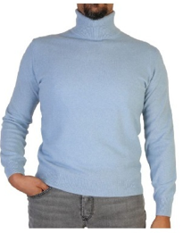 | U/A E580 FF12 | CORTINA | FW | 25 | MADE IN ITALY | 100% CASHMERE | UOMO | PULL | PULL DOLCEVITA | E580 | CIELO | S | 8 | € 132.00 | € 330.00 | € 1,056.00 | € 2,640.00

